Notes for Steps
STEP 1:
Clean Data:
Copied and Pasted the Reviews Column into new sheet "Only Reviews"
Removed (, ), Commas, Periods, /, Converted to lower case, Trim unnessary spaces, ...more, And removed duplicates.
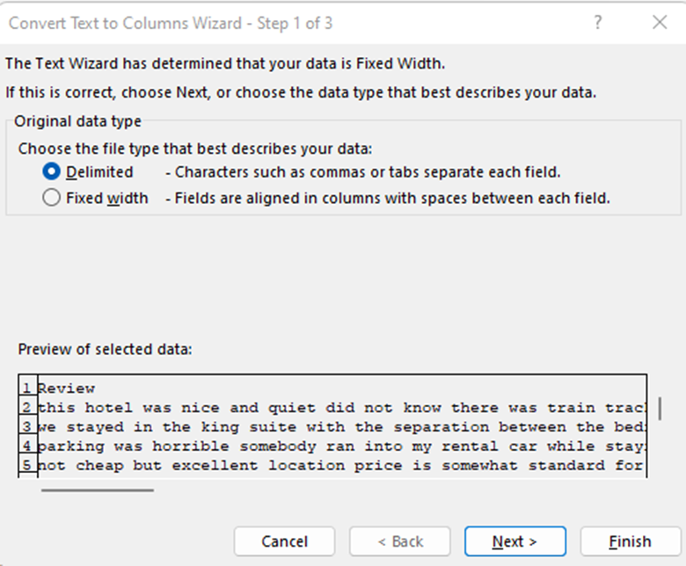
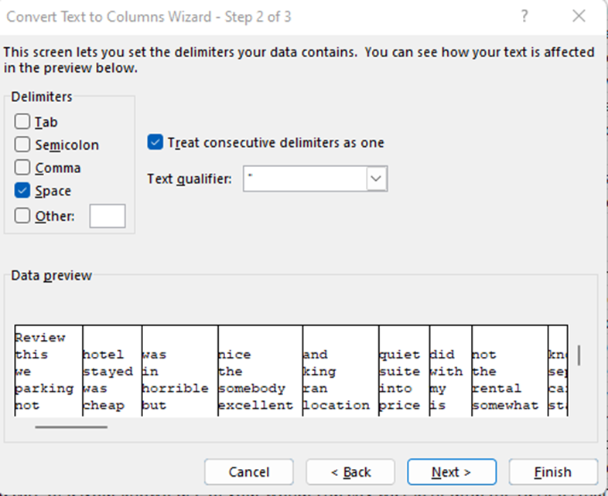

Step 2:
Took the cleansed Data and Copied it into a new Sheet to mine the Text. Labelled as "Text Mining." Used Text to Column Wizard in Excel - See to the right. (Steps 2a through 2c)

Step 3:
Used this Formula into a new sheet called "Sentiments" Copied and pasted this code for all columns in A2:AM2 in "Text Mining" Sheet :
=INDEX('Text Mining'!A2:A98,RANDBETWEEN(1,COUNTA('Text Mining'!A2:A98)),1)
This brought the random words list at the top of the sheet.

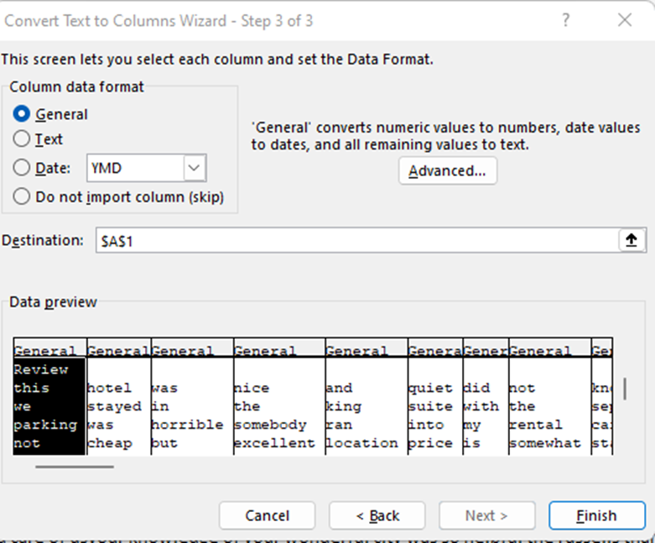

Step 4:
Then used this equation to select specific words. I found some known Positive Words and known Negative Words and used this formula to examine through each row (Each review) and count if that word appeared anywhere.
=COUNTIF('Text Mining'!$A2:$AM2,Sentiments!J$7) You can see here, we wanted to keep the same columns (A:AM) but change the row number to select different cells - we do this by putting the $ before what we are requesting the formulas to do - $A2 keeps all columns to A but the row number may change as we autofil the rest of the information.
Step 5:
Then added each resulting row, keeping the positive words and negative words separate. (=B8+C8+D8+E8+F8+G8+H8 and so on).
Step 6:
Subtracted the two create columns (one for Positive count and one for Negative count) to get the sentiment.
Step7:
I then used the IF formula to gather whether the sentiment of the review was positive, negative, or neutral.
=+IF(W9=0,"Neutral",IF(W9<0,"Negative","Positive"))

